DAX_QUESTION_1
1 | Sales rolling average = IF( ISFILTERED('stores_sales_forecasting'[Order Date]), ERROR("Time intelligence quick measures can only be grouped or filtered by the Power BI-provided date hierarchy or primary date column."), VAR __LAST_DATE = ENDOFMONTH('stores_sales_forecasting'[Order Date].[Date]) VAR __DATE_PERIOD = DATESBETWEEN( 'stores_sales_forecasting'[Order Date].[Date], STARTOFMONTH(DATEADD(__LAST_DATE, -3, MONTH)), __LAST_DATE ) RETURN AVERAGEX( CALCULATETABLE( SUMMARIZE( VALUES('stores_sales_forecasting'), 'stores_sales_forecasting'[Order Date].[Year], 'stores_sales_forecasting'[Order Date].[QuarterNo], 'stores_sales_forecasting'[Order Date].[Quarter], 'stores_sales_forecasting'[Order Date].[MonthNo], 'stores_sales_forecasting'[Order Date].[Month] ), __DATE_PERIOD ), CALCULATE( SUM('stores_sales_forecasting'[Sales]), ALL('stores_sales_forecasting'[Order Date].[Day]) ) ) ) | 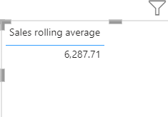

DAX_QUESTION_2
2 | AVG_Sales_CUSTOMER = SUM(stores_sales_forecasting[Sales])/DISTINCTCOUNT(stores_sales_forecasting[Customer ID]) -> 1049.50
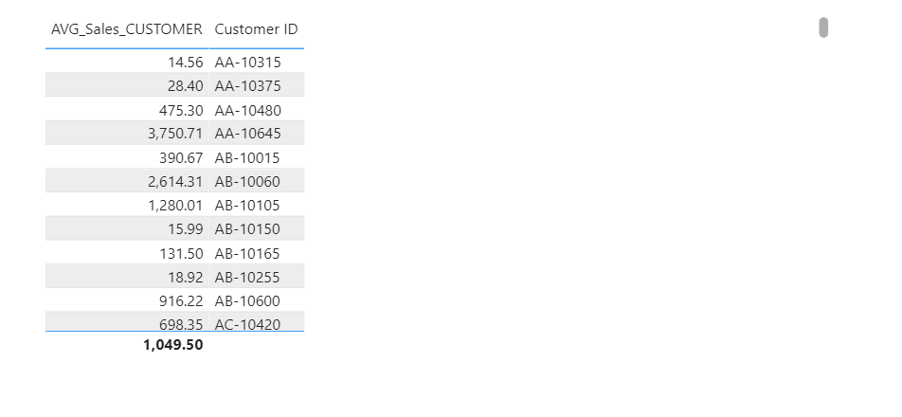

2

DAX_QUESTION_4
4.) | Sales YoY% = IF( ISFILTERED('stores_sales_forecasting'[Order Date]), ERROR("Time intelligence quick measures can only be grouped or filtered by the Power BI-provided date hierarchy or primary date column."), VAR __PREV_YEAR = CALCULATE( SUM('stores_sales_forecasting'[Sales]), DATEADD('stores_sales_forecasting'[Order Date].[Date], -1, YEAR) ) RETURN DIVIDE( SUM('stores_sales_forecasting'[Sales]) - __PREV_YEAR, __PREV_YEAR ) ) | 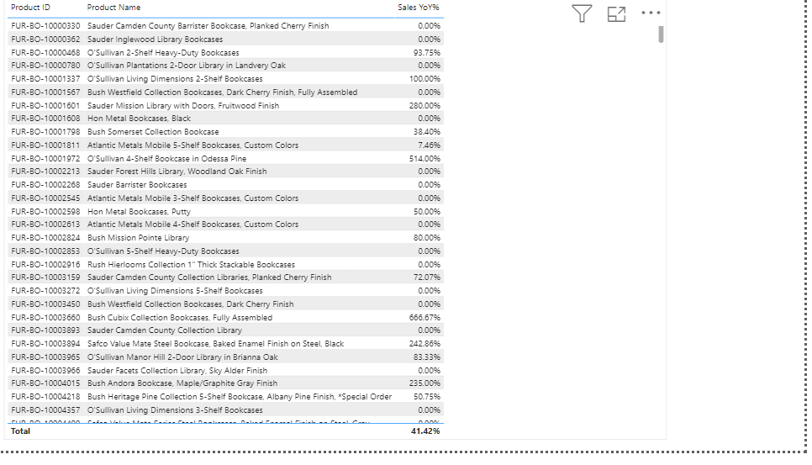

DAX_QUESTION_5
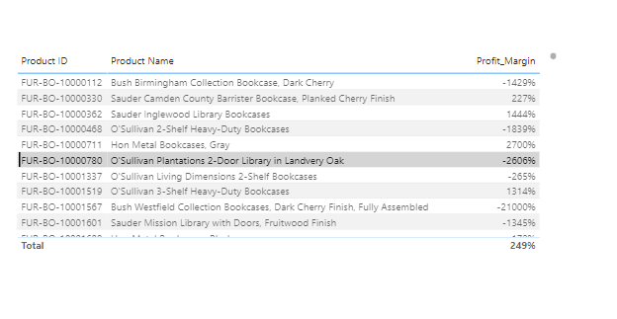
5.) | Profit_Margin = SUM(stores_sales_forecasting[Profit])/SUM(stores_sales_forecasting[Sales])*100
 |  | OVERALL PROFIT_MARGIN IS 249%

